Sheet1
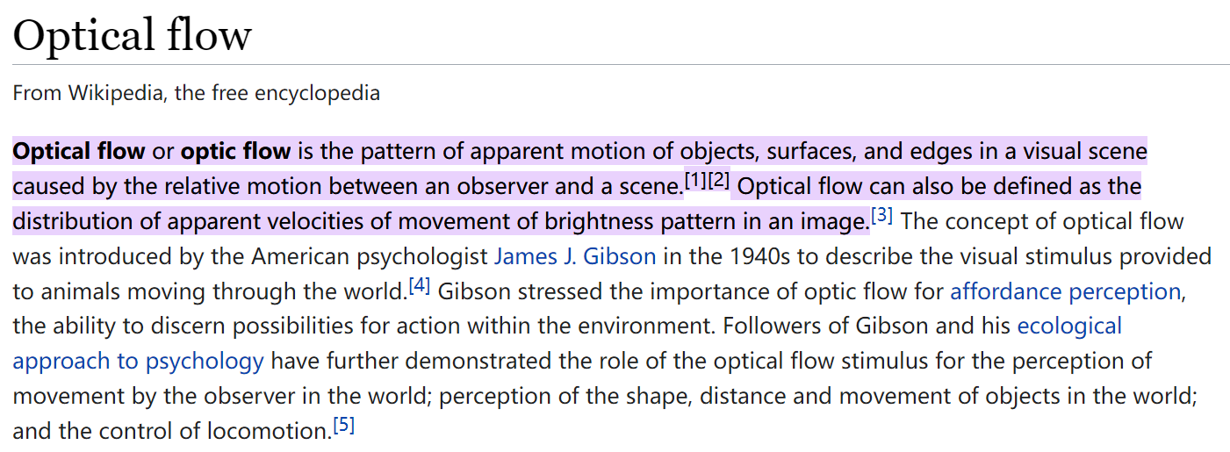
title | Two-Stream Convolutional Networks for Action Recognition in Videos
author | Karen Simonyan Andrew Zisserman
abstract | goal | architectures of discriminatively trained deep Convolutional Networks (ConvNets) for action recognition in video.
 | 2 kinds info. | appearance from still frames and motion between frames
 | two-stream | spatial and temporal networks
 | good performance on limitied training data when convnet trained on multi-frame dense optical flow
 | dataset | UCF-101
 |  | HMDB-51
introduction | the temporal component of vedios provides an additional clue for recognition
 | vedio provide natural data augmentation for single image classification
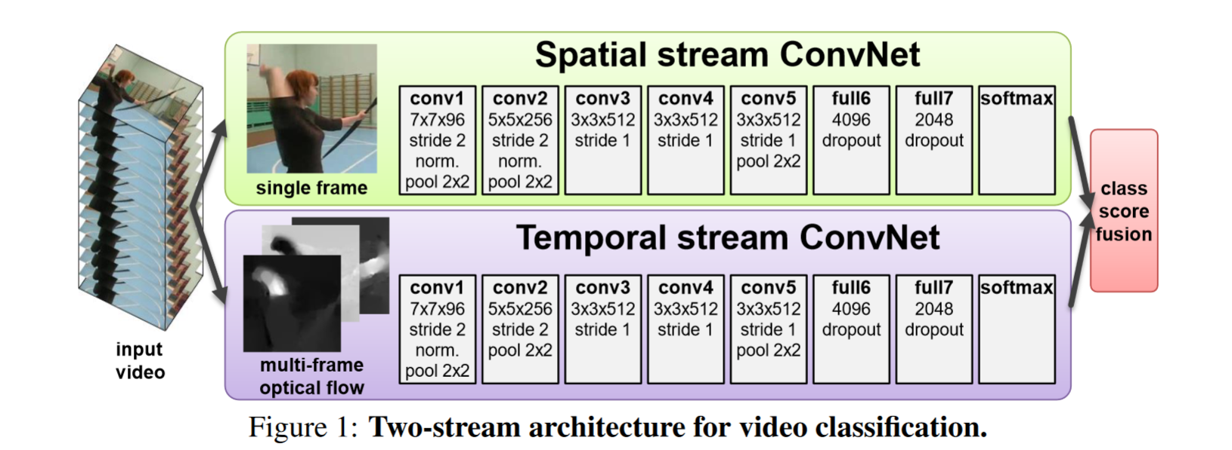
 | 2 separate recognition streams | spatial | input can be defined as single image by ImageNet-pre-trained model
 |  | temporal | input can be defined as optical flow
related work | traditional methods | SIFT for image; local spatio-temporal features (HOG, HOF) for vedio
 |  | local features for vedio -> 3DNet
 |  | dense point trajectories -> 2-stream convnet
 | 2-stream convnet | dense point trajectories
architecture | spatial part | info about scenes and objects depicted in the vedio
 | temporal part | info about movement of observer and objects
 | avergaing and training a multi-class linear SVM on stacked L2-normalised softmax scores and features
 | if the length of input vedio is l frames, the length of output optical flow is l-1 frames
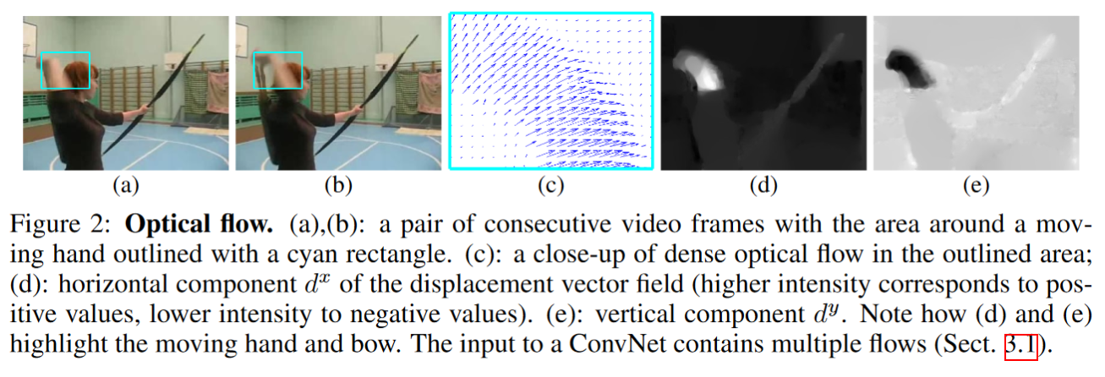
 | stacking the optical flow | simple stacking |  | input: WxH | x1,…,xl,y1,…yl
 |  | trajectory stacking |  | ouput: WxHx2
 | testing | sample a fixed number of frames (25 in our experiments)
 |  | each frame: get 4 conors and 1 center cropped images
 |  | each flipped frame: get 4 conors and 1 center cropped images |  |  |  | 1 image -> 10 images
 |  | average between softmax1 and softmax2
 | optical flow | GPU implementation
 |  | use JPEG to save the optical flow
experiments

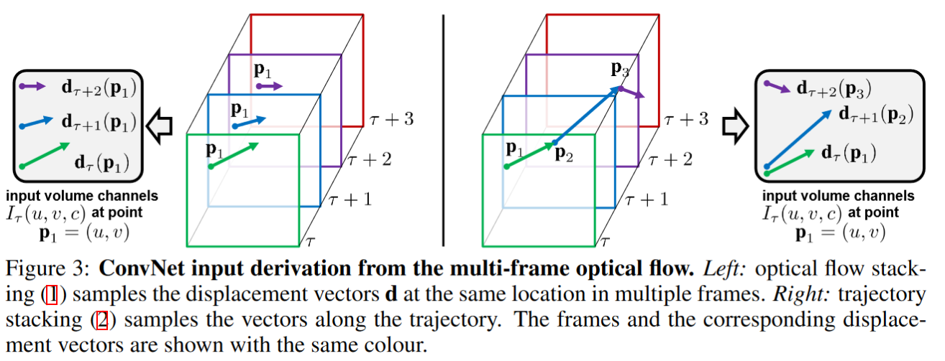

conclusion | 2 stream convnet
 | extra training data is beneficial for our temporal ConvNet, so we are planning to train it on large video datasets
 | poses a significant challenge on its own due to the gigantic amount of training data (multiple TBs)
 | Even though the input captures the optical flow along the trajectories, the spatial pooling in our network does not take the trajectories into account.
 | Even though the input (2) captures the optical flow along the trajectories, the spatial pooling in our network does not take the trajectories into account.
 | Another potential area of improvement is explicit handling of camera motion, which in our case is compensated by mean displacement subtraction

